Planilha1
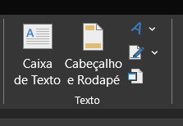
As informações de cabeçalho e rodapé estão na aba ''INSERIR''

